Telco_chrun Hyper-Prameter
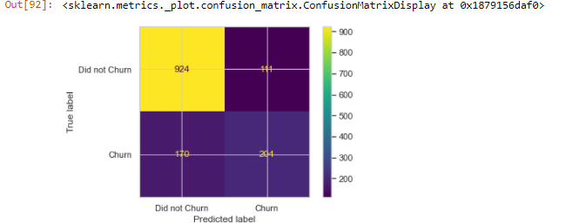
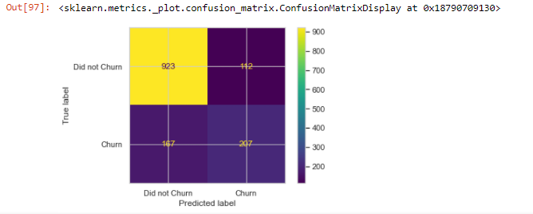
Prepared by : loh khai Shyang
Basic Information
Algorithm | XGBoost
DataSet | Telco_Churn.csv

Tuning Status
Tunning in-progress
Done tunning
Not tuned

GridSearchCV Paramter
Hyper Parameter | values
scoring | roc_auc
verbose | 2
n_jobs | 10
cv | 3
early_stopping_rounds | 10
eval_metric | auc

XGBoost Hyper paramter Tuning
Hyper Parameter | Run 1 |  |  | Run 2 |  |  | Run 3 |  |  | Run 4 |  |  | Run 5
 | Search Params | Best_params | Comments | Search Params | Best_params | Comments | Search Params | Best_params | Comments | Search Params | Best_params | Comments | Search Params | Best_params | Comments
gamma | [0, 0.25, 1.0] | 1 |  | [1.0,2.0,4.0] | 4 |  | [4.0, 8.0, 10.0] | 4 |  | 4 | 4 |  | 4 | 4
learning_rate | [0.1, 0.01, 0.05] | 0.1 |  | [0.1, 0.15, 0.2] | 0.1 |  | [0.09, 0.1, 0.11, 0.12] | 0.11 |  | 0.11 | 0.11 |  | 0.11 | 0.11
max_depth | [3, 4, 5] | 4 |  | 4 | 4 |  | 4 | 4 |  | 4 | 4 |  | 4 | 4
reg_lambda | [0, 1.0, 10.0] | 10 |  | [10, 15, 20] | 15 |  | 15 | 15 |  | 15 | 15 |  | 15 | 15
scale_pos_weight | [1, 3, 5] | 1 |  | [0.1, 0.5, 1.0] | 1 |  | 1 | 1 |  | 1 | 1 |  | 1 | 1
min_child_weight | 1 | 1 |  | 1 | 1 |  | [ 0.1,0,1.0, 5, 10] | 0.1 |  | [0.01,0.05,0.08,0.1] | 0.01 |  | [0.00001,0.00005,0.0001,0.0005,0.001] | 0.00001
n_estimators | 100 | 100 |  | 100 | 100 |  | 100 | 100 |  | 100 | 100 |  | [30,50,80,100] | 80
random_state | None | None |  | None | None |  | None | None |  | None | None |  | None | None
seed | 42 | 42 |  | 42 | 42 |  | 42 | 42 |  | 42 | 42 |  | 42 | 42
colsample_bylevel | 1 | 1 |  | 1 | 1 |  | 1 | 1 |  | [0.5,0.7,0.9,1.0] | 1 |  | 1 | 1
colsample_bynode | 1 | 1 |  | 1 | 1 |  | 1 | 1 |  | [0.5,0.7,0.9,1.0] | 1 |  | 1 | 1
subsample | 1 | 1 |  | [0.85, 1.0] | 1 |  | 1 | 1 |  | 1 | 1 |  | 1 | 1
colsample_bytree | 1 | 1 |  | [0.8, 1] | 0.8 |  | [ 0.6,0.8,0.9 ] | 0.8 |  | 0.8 | 0.8 |  | 0.8 | 0.8
n_jobs (pc core use to do searching ) | 10 | 10 |  | 10 | 10 |  | 10 | 10 |  | [0.1,0.5,1,5,10,15] | 1 |  | [0.1,0.5,1,5,10,15] | 1
scoring | roc_auc | roc_auc |  | roc_auc | roc_auc |  | roc_auc | roc_auc |  | roc_auc | roc_auc |  | roc_auc | roc_auc
eval_metric | auc | auc |  | auc | auc |  | auc | auc |  | auc | auc |  | auc | auc
best mean_test_score | 0.866439 |  |  | 0.86661 |  |  | 0.86686 |  |  | 0.86686 |  |  | 0.86685972943
Model Improvement % |  |  |  | 0.02% |  |  | 0.03% |  |  | 0.00% |  |  | 0.00%

 | Original Model Without Hyper-Parameter Tuning |  |  |  |  |  | After Run 5 Hyper-Parameter Tuning

